1. Instructions
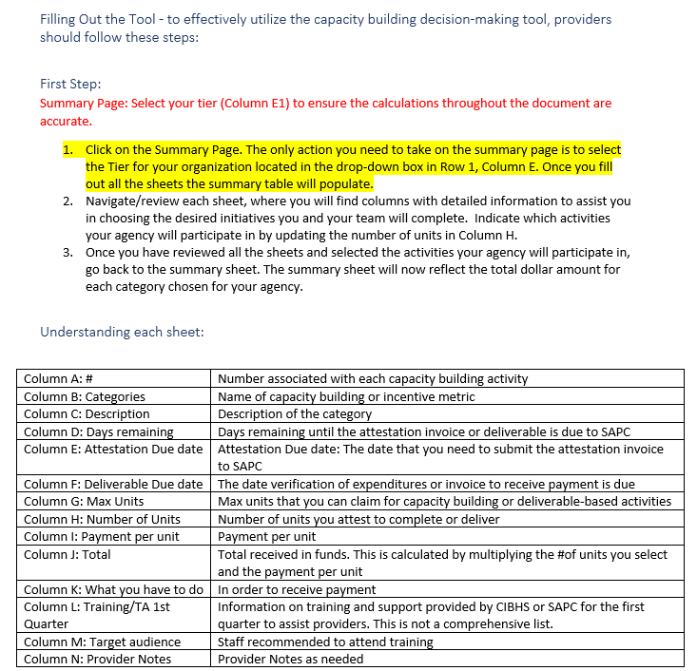
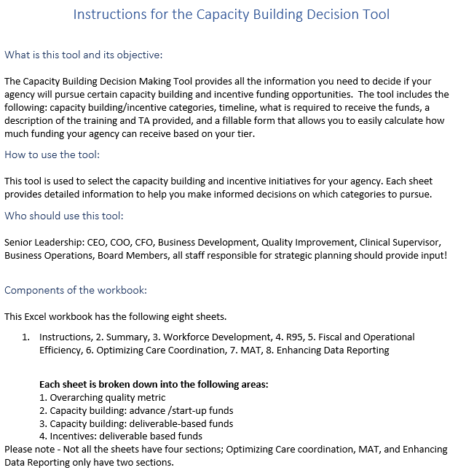
Version Date:
2023-06-26

 | Need Additional help reviewing or filling the document:
 | Amy Mcilvaine: amcilvaine@cibhs.org
 | Pranab Banskota: Pbanskota@cibhs.org
 | Christopher Botten: cbotten@cibhs.org
 | Leslie Dishman: ldishman@cibhs.org
 | Krystal Edwards: kedwards@cibhs.org

